Hoja1
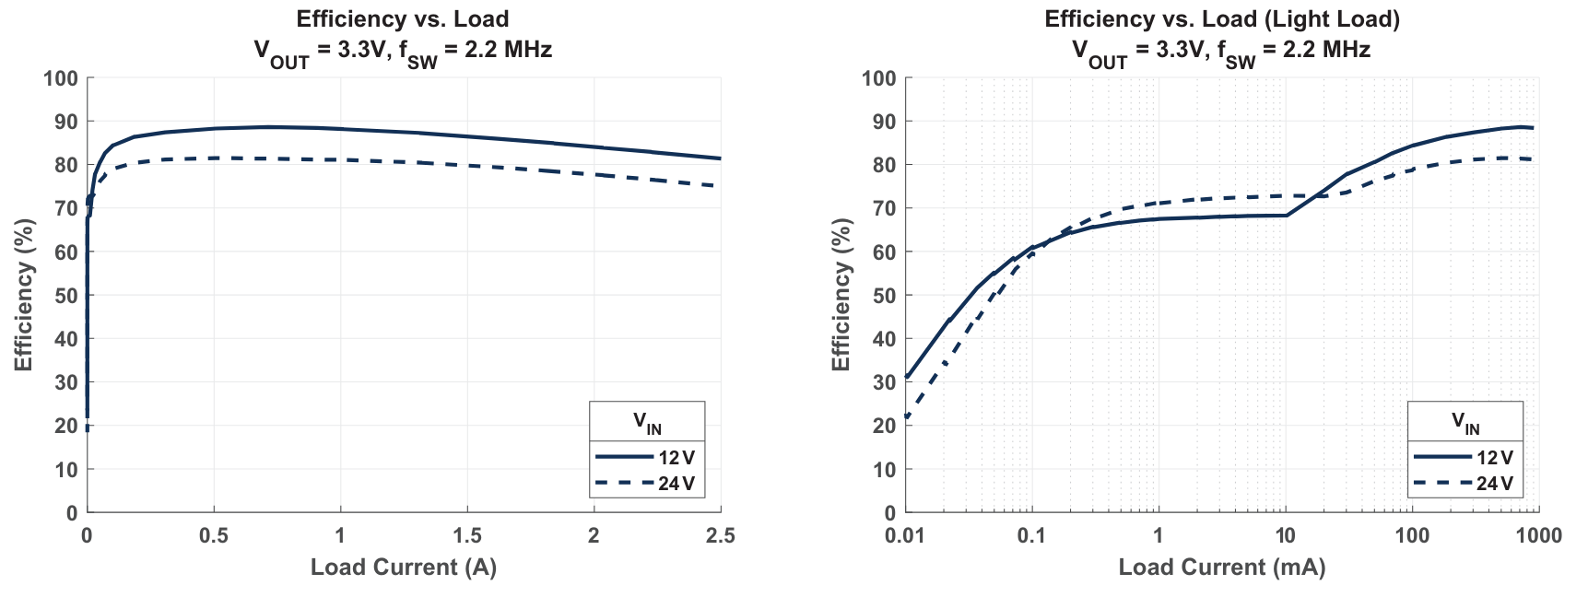
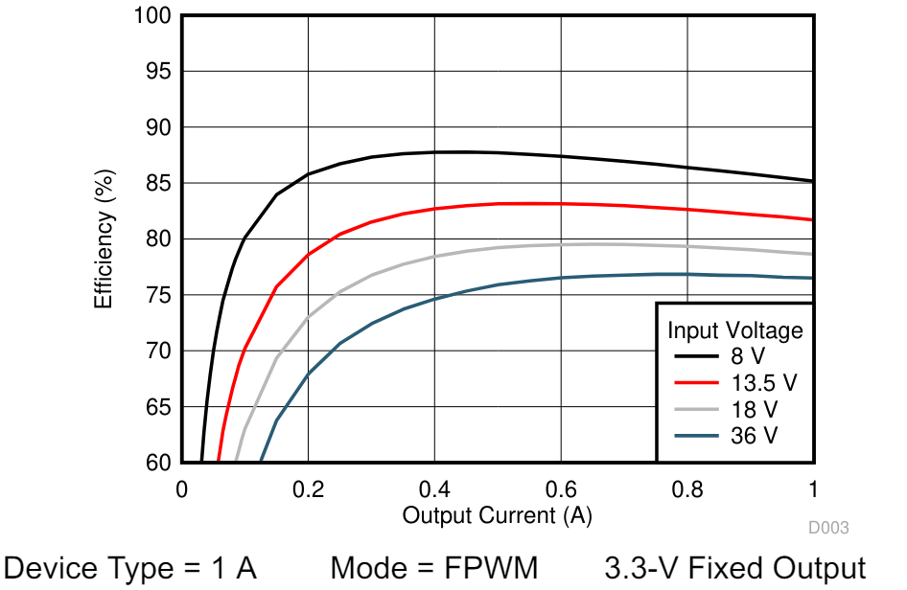
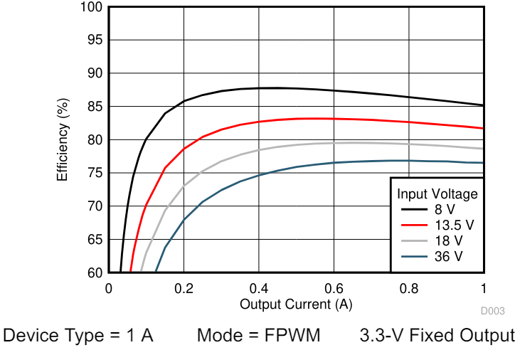
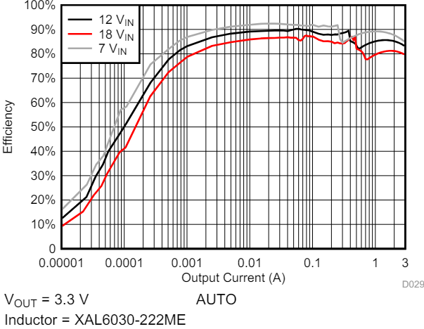
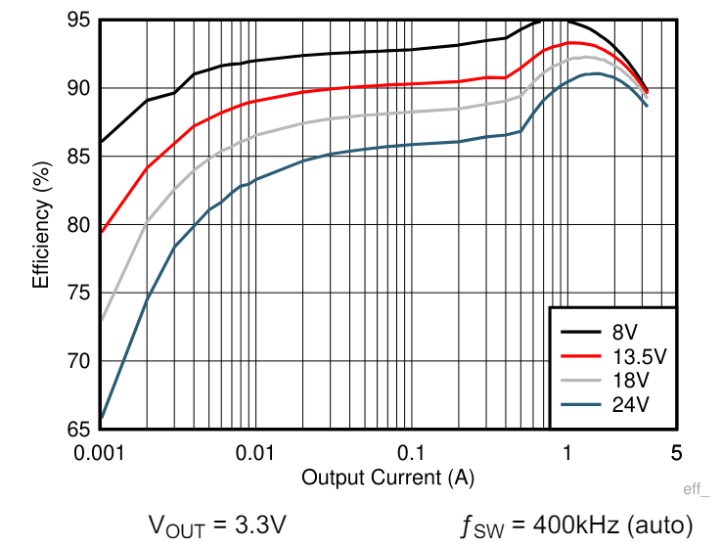
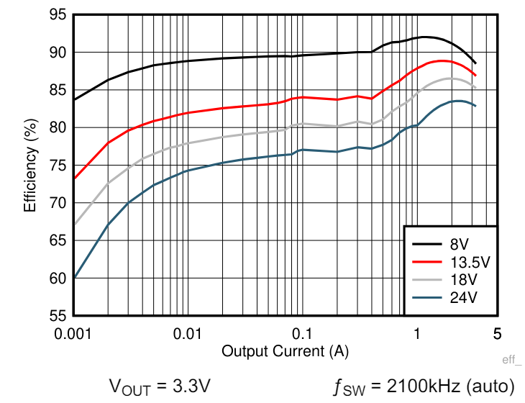
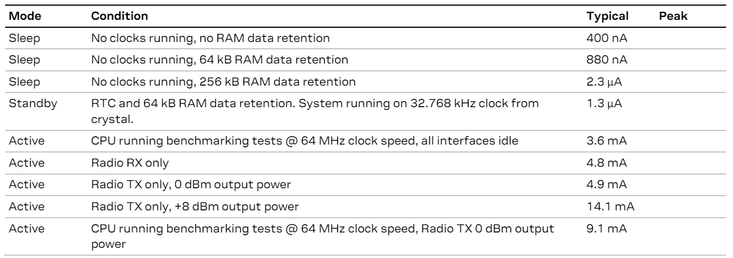
 | Vin (V) | Vout (V) | Iout (A) | Consumo en reposo (uA) | Frecuencia de conmutación (kHz) | Topología | Eficiencia BLE on (%) | Eficiencia BLE off (%) |  | Consumo BLE on (mA) | Consumo BLE off (mA)
A81805KESJSR | 3,5-36 | 3.3 | 2.5 | 6 | 400-2500 | Buck | > 70 | > 65 | Nina B306 | 14.1 | 0.0013
ADP2107ACPZ-3.3-R7 | 2,7-5,5 | 3.3 | 2 | 20 | 1200 | Buck-boost | > 72 | > 50 | Sensor inercial | 0.881 | 0.881
LM536013QDSXRQ1 | 3,55-36 | 3.3 | 1 | 23 | 2100 | Buck | > 60 | - | Total | 14.981 | 0.8823
LM536013QUDSXRQ1 | 3,55-36 | 3.3 | 1 | 6.5 | 2100 | Buck | > 60 | -
LM536023QPWPTQ1 | 3,55-36 | 3.3 | 2 | 8 | 2100 | Buck | > 90 | > 85
LM63635CA3QDRRRQ1 | 3,5-36 | 3.3 | 3.25 | 23 | 400 | Buck | > 90 | > 85 | Baja eficiencia
LM63635CC3QDRRRQ1 | 2,7-36 | 3.3 | 3.25 | 23 | 2100 | Buck-boost | > 87 | > 80 | Otro con mayor eficiencia
 |  |  |  |  |  |  |  |  | Otro con menor consumo
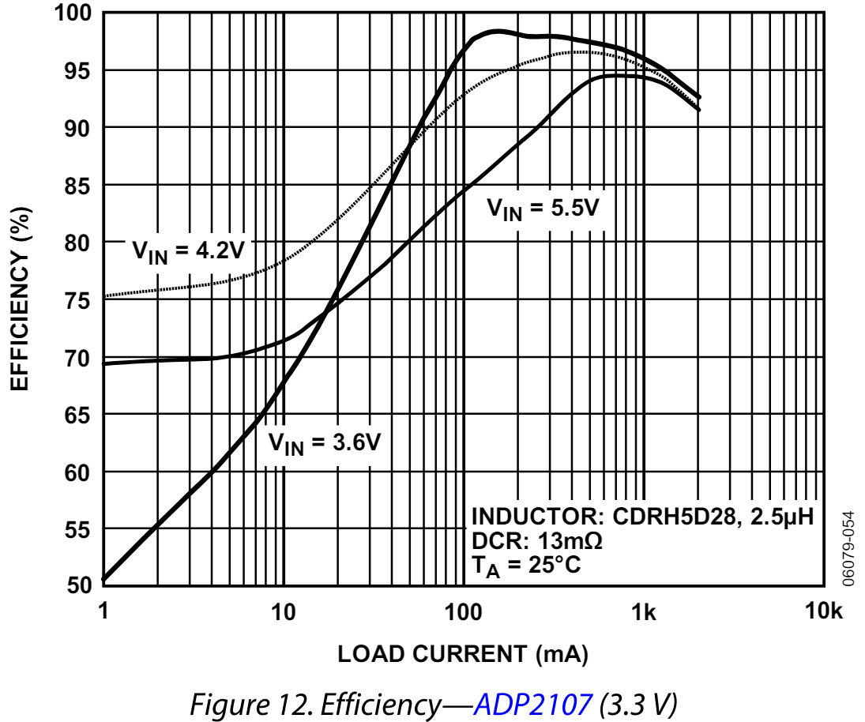
 |  |  |  |  |  |  |  |  | Destaca en algo

